Elements
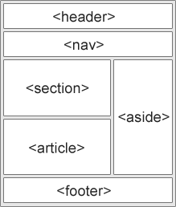
HTML5 offers new semantic elements that define the different parts of a web page:
<header> - Defines a header for a document or a section
<nav> - Defines a container for navigation links
<section> - Defines a section in a document
<article> - Defines an independent self-contained article
<aside> - Defines content aside from the content (like a sidebar)
<footer> - Defines a footer for a document or a section
<details> - Defines additional details
<summary> - Defines a heading for the <details> element

